Fig. 8.4
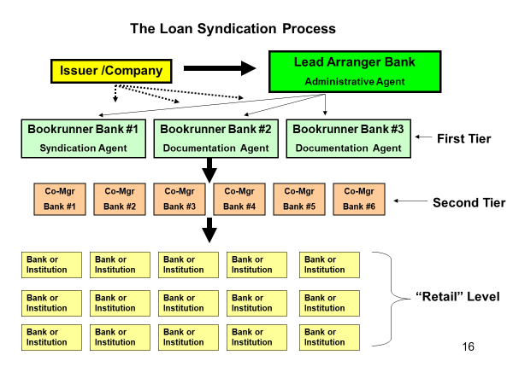

Figure 8.4

